EDPR 1Q24 Op.Data
Operating Data Preview 1Q24
Madrid, April 18th, 2024

Key Highlights
EDPR added +0.5 GW of renewables capacity in 1Q24 (vs. +52 MW in 1Q23), following the recovery of solar capacity additions in US (+0.4 GW in 1Q24), given the normalisation of solar panels supply chain in US after the constrains observed in 2023.
In the last 12 months, EDPR added +2.9 GW of capacity, namely +1.6 GW in North America, +0.8 GW in Europe, +0.4 GW in South America and +0.2 GW in APAC. In 1Q24 alone, solar capacity additions in US (+415 MW) represented >90% of the 454 MW total capacity additions, complemented by other solar installations in Europe and APAC.
As of Mar-24, capacity under construction stood at 4.6 GW (vs. 4.4 GW in Dec-23), considering +0.5 GW of capacity additions, new projects under construction during 1Q24 amounted to +0.6 GW, mostly in Europe. More than 50% of the total capacity under construction relates to solar, in line with target additions. In terms of geographies, 1.7 GW were under construction in US (out of which 0.2 GW of collocated storage), 1.1 GW in Europe, 1.1 GW in South America and the remaining 0.8 GW in APAC and offshore projects.
In 1Q24, EDPR completed one asset rotation deal in US for the 80% stake of 0.3 GW in a solar portfolio, and signed another asset rotation transaction in Canada for an 80% stake in a 0.3 GW wind project, amounting to 0.6 GW of total gross renewable capacity (0.5 GW net capacity) for a combined multiple of EV/MW of €1.5m/MW.
EDPR renewables index, which reflect deviations of renewables’ resources for the period vs. long term average stood at 98% for 1Q24 (-0.7pp vs. 1Q23), 2 p.p. below the LT average for the period, mainly driven by North America and South America negative deviations. El Niño weather phenomenon impact in North America in 1Q24 was lower than initially expected.
All in all, renewables generation decreased 3% YoY to 9.9 TWh mainly impacted by asset rotation of wind assets during the last 12 months (deconsolidation of 256 MW of wind in Spain in Jul-23, 142 MW of wind in Poland in Sep-23 and 260 MW of wind in Brazil in Dec-23), the gradual ramp up of generation performance of capacity recently installed in 4Q23, and slightly lower renewables resources YoY. Generation in Brazil decreased -54% YoY, impacted by i) asset rotation wind deconsolidation, ii) weaker resource than expected and, iii) preventive maintenance made on projects that required periodical halt of operations in a weak period to mitigate loss of revenue.
EDPR will release 1Q24 results on May 9th, before the opening of the Euronext Lisbon. A conference call will take place on the same day at 15:00 CET | 14:00 UK/Lisbon.

Installed Capacity |  |  |  |  |  | Installed Capacity by Region

(1)
(2)
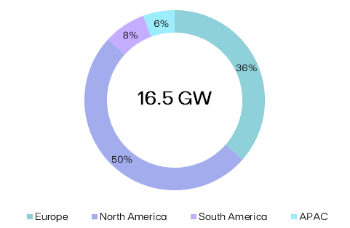
EBITDA + Eq. MW | 1Q24 | 1Q23 | Additions | AR/Decom. | YoY

Europe | 6,009 | 5,684 | +722 | (398) | +324

North America | 8,309 | 7,239 | +1,581 | (510) | +1,070

South America | 1,247 | 1,114 | +394 | (261) | +133

APAC | 933 | 751 | +194 | (12) | +182

EDPR | 16,498 | 14,788 | +2,891 | (1,181) | +1,710

Electricity Generation |  |  |  |  |  | Generation by Region and Technology

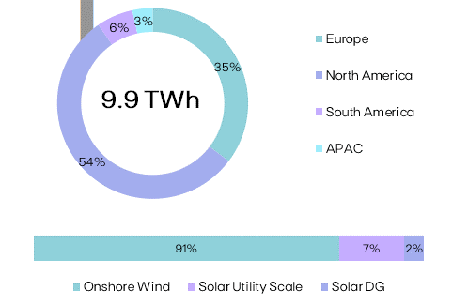
GWh |  |  | 1Q24 | 1Q23 | YoY
Spain |  |  | 1,325 | 1,374 | (4%)
Portugal |  |  | 908 | 731 | +24%
Rest of Europe |  |  | 1,348 | 1,361 | (1%)
Europe |  |  | 3,580 | 3,466 | +3%
US |  |  | 4,699 | 4,744 | (1%)
Canada & Mexico |  |  | 699 | 430 | +63%
North America |  |  | 5,398 | 5,174 | +4%
Brazil |  |  | 607 | 1,332 | (54%)
South America |  |  | 607 | 1,332 | (54%)
APAC |  |  | 336 | 276 | +22%
EDPR |  |  | 9,921 | 10,248 | (3%)
Onshore Wind |  |  | 9,056 | 9,630 | (6%)
Solar Utility Scale |  |  | 661 | 485 | +36%
Solar DG |  |  | 204 | 133 | +54%

Load Factor |  |  |  |  |  | NCF (%) |  | vs. P50 GCF (%)

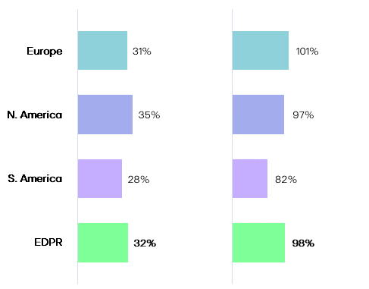
NCF (%) |  |  | 1Q24 | 1Q23 | YoY
Spain |  |  | 31% | 31% | +0.4pp
Portugal |  |  | 31% | 30% | +1pp
Rest of Europe |  |  | 32% | 36% | -4pp
Europe |  |  | 31% | 32% | -1pp
US |  |  | 35% | 37% | -2pp
Canada & Mexico |  |  | 35% | 34% | +1pp
North America |  |  | 35% | 37% | -2pp
Brazil |  |  | 28% | 27% | +1pp
South America |  |  | 28% | 27% | +1pp
APAC |  |  | 17% | 18% | -1pp
EDPR |  |  | 32% | 34% | -2pp
Onshore Wind |  |  | 34% | 35% | -1pp
Solar Utility Scale |  |  | 21% | 24% | -3pp
Solar DG |  |  | 13% | 12% | +0.2pp

Renewables Index (vs. P50 Gross Capacity Factor)

(%) |  |  | 1Q24 | 1Q23 | YoY
EDPR |  |  | 97.7% | 98.4% | -0.7pp

(1) Additions include Equity portfolio adjustments in Spain of 36 MW as reported in FY23.
(2) AR/Decom. YoY variation considers a ~12 MW variation in APAC due to ac/dc real conversion and the decommisioning of 1 MW of Wind in Brazil and 1 MW of Solar DG in US. Considers also Canadian Sharp Hills project.
Note: Solar includes Solar Utility Scale + DG technology and Storage. Solar capacity and solar load factors reported in MWac.

 |  |  |  |  |  |  | EDPR Investor Relations |  |  | Phone: +34 900 830 004
EDP Renováveis, S.A. | Head office: Plaza del Fresno, 2 - 33007 Oviedo, Spain |  |  |  |  |  |  |  | Site: www.edpr.com |  | Email: ir@edpr.com

Operating Data Preview 1Q24
Madrid, April 18th, 2024

(1)
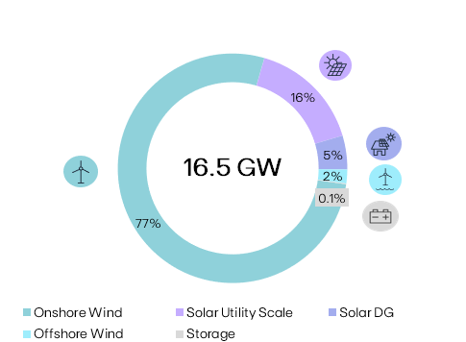
Installed Capacity |  |  |  |  |  | Installed Capacity by Technology
 |  |  | 2024
MW | 1Q24 | Additions | AR/Decom. | YTD | U/C
Spain | 2,042 | - | - | - | 356
Portugal | 1,413 | - | - | - | -
Rest of Europe | 2,092 | +11 | - | +11 | 703
Europe | 5,546 | +11 | - | +11 | 1,059
US | 6,965 | +415 | (341) | +74 | 1,665
Canada & Mexico | 625 | - | (297) | (297) | -
North America | 7,590 | +415 | (638) | (223) | 1,665
Brazil | 1,164 | - | (1) | (1) | 579
Colombia & Chile | 83 | - | - | - | 504
South America | 1,247 | - | (1) | (1) | 1,083
Vietnam | 402 | - | - | - | -
Singapore | 325 | +10 | - | +10 | 28
Rest of APAC | 190 | +18 | - | +18 | 24
APAC | 917 | +28 | - | +28 | 52
EBITDA MW | 15,301 | +454 | (638) | (184) | 3,858
Spain | 120 | - | - | - | -
Portugal | 31 | - | - | - | -
Rest of Europe | 311 | - | - | - | 728
Europe | 462 | - | - | - | 728 | Technology |  |  | EBITDA + Equity MW | YoY
US & Canada | 719 | - | +127 | +127 | - | Onshore Wind |  |  | 12,747 | -
North America | 719 | - | +127 | +127 | - | Solar Utility Scale |  |  | 2,626 | +125%
APAC | 16 | - | - | - | 1 | Solar DG |  |  | 787 | +44%
Eq. Consolidated | 1,197 | - | +127 | +127 | 729 | Offshore Wind |  |  | 322 | -
EDPR | 16,498 | +454 | (511) | (57) | 4,587 | Storage |  |  | 16 | -

(1)
Onshore Wind |  |  |  |  |  | Capacity Additions YTD
 |  |  | 2024
MW | 1Q24 | Additions | AR/Decom. | YTD | U/C | Project |  | Country |  | MW
Spain | 1,967 | - | - | - | 63
Portugal | 1,177 | - | - | - | -
Rest of Europe | 1,786 | - | - | - | 239
Europe | 4,930 | - | - | - | 303
(2)
US | 5,949 | - | - | - | -
Canada & Mexico | 425 | - | (297) | (297) | -
North America | 6,374 | - | (297) | (297) | -
Brazil | 748 | - | (1) | (1) | 325
Colombia & Chile | 83 | - | - | - | 504
South America | 831 | - | (1) | (1) | 829
EBITDA MW | 12,134 | - | (298) | (298) | 1,131
Spain | 120 | - | - | - | -
Portugal | 20 | - | - | - | -
(2)
Europe | 140 | - | - | - | -
US & Canada | 472 | - | +59 | +59 | -
North America | 472 | - | +59 | +59 | -
Eq. Consolidated | 612 | - | +59 | +59 | -
EDPR | 12,747 | - | (238) | (238) | 1,131 | Onshore Wind Additions YTD |  |  |  | -

(1)
Solar |  |  |  |  |  | Capacity Additions YTD
 |  |  | 2024
MW | 1Q24 | Additions | AR/Decom. | YTD | U/C | Project |  | Country |  | MW
Spain | 75 | - | - | - | 293 | Berkelland II |  | Netherlands |  | +11
Portugal | 236 | - | - | - | - | Pearl River |  | US |  | +175
Rest of Europe | 306 | +11 | - | +11 | 463 | Scarlet I |  | US |  | +240
Europe | 617 | +11 | - | +11 | 756 | Sunseap |  | Singapore |  | +10
US | 1,016 | +415 | (341) | +74 | 1,665 | Sunseap |  | Rest of APAC |  | +18
Canada & Mexico | 200 | - | - | - | -
North America | 1,216 | +415 | (341) | +74 | 1,665
Brazil | 416 | - | - | - | 255
South America | 416 | - | - | - | 255
Vietnam | 402 | - | - | - | -
Singapore | 325 | +10 | - | +10 | 28
Rest of APAC | 190 | +18 | - | +18 | 24
APAC | 917 | +28 | - | +28 | 52
EBITDA MW | 3,166 | +454 | (341) | +113 | 2,727
US | 247 | - | +68 | +68 | -
North America | 247 | - | +68 | +68 | -
Rest of APAC | 16 | - | - | - | 1
APAC | 16 | - | - | - | 1
Eq. Consolidated | 263 | - | +68 | +68 | 1
EDPR | 3,429 | +454 | (273) | +181 | 2,728 | Solar Additions YTD |  |  |  | +454

Offshore Wind |  |  |  |  |  | Capacity Additions YTD
 |  |  | 2024
MW | 1Q24 | Additions | AR/Decom. | YTD | U/C | Project |  | Country |  | MW
Portugal | 11 | - | - | - | -
France & Belgium | 43 | - | - | - | 309
United Kingdom | 269 | - | - | - | 419
Europe | 322 | - | - | - | 728
EDPR Eq. Consolidated | 322 | - | - | - | 728 | Offshore Wind Additions YTD |  |  |  | -
Ocean Winds Gross Capacity | 1,462 | - | - | - | 1,896 | Offshore Wind Gross Additions YTD |  |  |  | -

(1) YTD variation considers the decommisioning of 1 MW of Wind in Brazil and 1 MW of Solar DG in US. (2) Signed and pending final closing.
Note: Solar includes Solar Utility Scale + DG technology and Storage. Solar capacity and solar load factors reported in MWac. |  |  |  |  |  |  | EDPR Investor Relations |  |  | Phone: +34 900 830 004
EDP Renováveis, S.A. | Head office: Plaza del Fresno, 2 - 33007 Oviedo, Spain |  |  |  |  |  |  |  | Site: www.edpr.com |  | Email: ir@edpr.com

