EDPR 1H24 Op.Data
Operating Data Preview 1H24
Madrid, July 15th, 2024

Key Highlights
EDPR added +0.8 GW of new capacity during the 1H24 (vs. +0.5 GW in 1H23), with the total portfolio reaching 16.6 GW.
During the last 12 months, EDPR added +2.9 GW of capacity: +1.8 GW in North America, +0.5 GW in Europe, +0.4 GW in South America and +0.2 GW in APAC.
The +0.8 GW of capacity added in this 1H24 was all solar, of which 86% in US, 6% in APAC, 5% in Brazil, and 3% in Europe.
As of Jun-24, capacity under construction stood at 4.5 GW (vs. 4.4 GW in Dec-23), with 0.9 GW of projects starting construction during the 1H24. By technology, 2.6 GW is solar, 1.2 GW is wind onshore and 0.7 GW is wind offshore (related to our 50% stake in OW). By regions, 1.5 GW were under construction in US (out of which 0.2 GW of collocated storage), 1.1 GW in Europe, 1 GW in South America, 0.1 GW in APAC and the 0.7 GW OW’s offshore projects under construction in UK and France.
The installed capacity evolution in 1H24, include the impact from 3 Asset rotation transactions. In 1Q24, one deal in US for an 80% stake in a 0.3 GW solar portfolio, and another deal in Canada for an 80% stake in a 0.3 GW wind project. In 2Q24, the asset rotation of 100% in a 0.2 GW wind portfolio in Italy, with the respective asset rotation gain to be booked in 2Q24. These transactions amounted to 0.8 GW of total gross renewable capacity rotated for a combined multiple of EV/MW of €1.6m/MW.
EDPR renewables index, which reflect deviations of renewables’ resources vs. long term average stood at 100% for 1H24 (vs. 5% below LT avg. in 1H23), following the combination of a strong recovery of wind resources in North America and Europe (respectively 2% and 1% above LT avg. in 1H24) and the persistent weak wind resources in Brazil (18% below LT average in 1H24).
All in all, EDPR generation increased 5% YoY to 18.9 TWh, with Europe and North America representing 31% and 57% of total generation output, respectively. By technology mix, 88% of the generation belongs to wind onshore while 13% to solar. In North America, generation rose +15% YoY driven by new additions and normalization of wind conditions. In Europe, generation increased +4%YoY, driven by higher average MWs in operation, reflecting the net impact from capacity additions and asset rotation transactions closed in 2H23 in Spain and Poland and the recovery of renewable resources. In South America, generation decreased -41% driven by i) extremely low wind resources and, ii), asset rotation transaction closed in Brazil in 4Q23 iii) concentration of maintenance works in a period of low wind resources reducing revenues losses. APAC generation increased 21% YoY, following the additions of solar capacity made during the year, already representing 4% of all EDPR generation.
EDPR will release 1H24 results on July 26th, before the opening of the Euronext Lisbon. A conference call will take place on the same day at 9:30 CET | 8:30 UK/Lisbon.

Installed Capacity |  |  |  |  |  | Installed Capacity by Region
(1)
(2)
EBITDA + Eq. MW | 1H24 | 1H23 | Additions | AR/Decom. | YoY
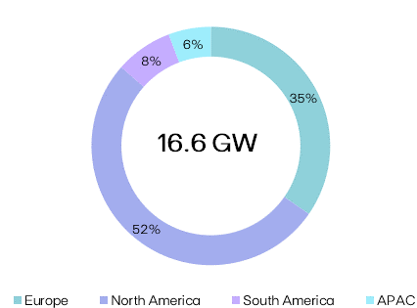
Europe | 5,756 | 5,951 | +474 | (668) | (194)

North America | 8,611 | 7,297 | +1,825 | (511) | +1,314

South America | 1,289 | 1,114 | +436 | (261) | +175

APAC | 955 | 806 | +160 | (12) | +149

EDPR | 16,611 | 15,167 | +2,895 | (1,452) | +1,444
Onshore Wind | 12,556 | 12,833 | +811 | (1,088) | (277)
Solar Utility Scale | 2,948 | 1,360 | +1,869 | (281) | +1,588
Solar DG | 808 | 651 | +159 | (3) | +156
Storage | 57 | 1 | +56 | - | +56
Offshore Wind | 243 | 322 | - | (79) | (79)

Electricity Generation |  |  |  |  |  | Generation by Region and Technology

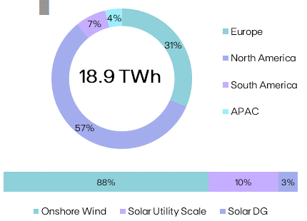
GWh |  |  | 1H24 | 1H23 | YoY
Spain |  |  | 2,258 | 2,354 | (4%)
Portugal |  |  | 1,584 | 1,306 | +21%
Rest of Europe |  |  | 2,263 | 2,207 | +3%
Europe |  |  | 6,105 | 5,867 | +4%
US |  |  | 9,534 | 8,404 | +13%
Canada & Mexico |  |  | 1,231 | 917 | +34%
North America |  |  | 10,765 | 9,321 | +15%
Brazil & Chile |  |  | 1,313 | 2,210 | (41%)
South America |  |  | 1,313 | 2,210 | (41%)
APAC |  |  | 710 | 588 | +21%
EDPR |  |  | 18,893 | 17,986 | +5%
Onshore Wind |  |  | 16,597 | 16,633 | (0.2%)
Solar Utility Scale |  |  | 1,808 | 1,019 | +77%
Solar DG |  |  | 489 | 333 | +47%

Load Factor |  |  |  |  |  | NCF (%) |  | vs. P50 GCF (%)

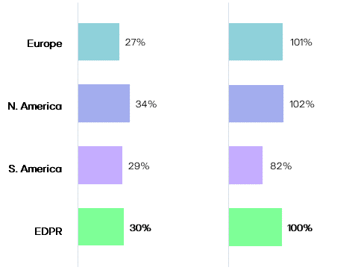
NCF (%) |  |  | 1H24 | 1H23 | YoY
Spain |  |  | 26% | 26% | +0.6pp
Portugal |  |  | 29% | 27% | +3pp
Rest of Europe |  |  | 27% | 28% | -1pp
Europe |  |  | 27% | 27% | +0.5pp
US |  |  | 34% | 33% | +1pp
Canada & Mexico |  |  | 36% | 35% | +1pp
North America |  |  | 34% | 33% | +1pp
Brazil |  |  | 29% | 32% | -3pp
South America |  |  | 29% | 32% | -3pp
APAC |  |  | 18% | 18% | -0.5pp
EDPR |  |  | 30% | 30% | +0.5pp
Onshore Wind |  |  | 31% | 31% | +1pp
Solar Utility Scale |  |  | 25% | 25% | -0.3pp
Solar DG |  |  | 14% | 13% | +0.3pp

Renewables Index (vs. P50 Gross Capacity Factor)

(%) |  |  | 1H24 | 1H23 | YoY
EDPR |  |  | 100.3% | 95.2% | +5.1pp

(1) Additions include Equity portfolio adjustments in Spain of 36 MW as reported in FY23.
(2) AR/Decom. YoY variation considers a ~12 MW variation in APAC due to ac/dc real conversion and the decommisioning of 1 MW of Wind in Brazil. Considers also AR Italian project.
Note: Solar includes Solar Utility Scale + DG technology and Storage. Solar capacity and solar load factors reported in MWac.

 |  |  |  |  |  |  | EDPR Investor Relations |  |  | Phone: +34 900 830 004
EDP Renováveis, S.A. | Head office: Plaza del Fresno, 2 - 33007 Oviedo, Spain |  |  |  |  |  |  |  | Site: www.edpr.com |  | Email: ir@edpr.com

Operating Data Preview 1H24
Madrid, July 15th, 2024

(1)
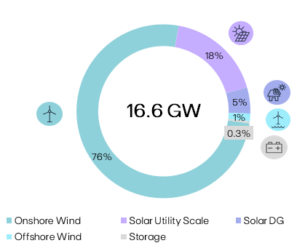
Installed Capacity |  |  |  |  |  | Installed Capacity by Technology
 |  |  | 2024
MW | 1H24 | Additions | AR/Decom. | YTD | U/C
Spain | 2,042 | - | - | - | 356
(2)
Portugal | 1,413 | - | - | - | -
Rest of Europe | 1,919 | +29 | (191) | (162) | 714
Europe | 5,373 | +29 | (191) | (162) | 1,070
US | 7,266 | +717 | (341) | +376 | 1,519
Canada & Mexico | 625 | - | (297) | (297) | -
North America | 7,891 | +717 | (638) | +78 | 1,519
Brazil | 1,207 | +42 | (1) | +42 | 537
Colombia & Chile | 83 | - | - | - | 504
South America | 1,289 | +42 | (1) | +42 | 1,041
Vietnam | 402 | - | - | - | -
Singapore | 340 | +25 | - | +25 | 27
Rest of APAC | 197 | +25 | - | +25 | 83
APAC | 939 | +49 | - | +49 | 110
EBITDA MW | 15,493 | +837 | (830) | +7 | 3,739
Spain | 120 | - | - | - | -
Portugal | 31 | - | - | - | -
Rest of Europe | 233 | - | (79) | (79) | 728
Europe | 383 | - | (79) | (79) | 728 | Technology |  |  | EBITDA + Equity MW | YoY
US & Canada | 719 | - | +127 | +127 | - | Onshore Wind |  |  | 12,556 | (2%)
North America | 719 | - | +127 | +127 | - | Solar Utility Scale |  |  | 2,948 | +117%
APAC | 16 | - | - | - | 1 | Solar DG |  |  | 808 | +24%
Eq. Consolidated | 1,118 | - | +49 | +49 | 729 | Offshore Wind |  |  | 243 | (24%)
EDPR | 16,611 | +837 | (781) | +56 | 4,468 | Storage |  |  | 53 | -

(1)
Onshore Wind |  |  |  |  |  | Capacity Additions YTD
 |  |  | 2024
MW | 1H24 | Additions | AR/Decom. | YTD | U/C | Project |  | Country |  | MW
Spain | 1,967 | - | - | - | 63
Portugal | 1,177 | - | - | - | -
Rest of Europe | 1,595 | - | (191) | (191) | 263
Europe | 4,739 | - | (191) | (191) | 326
US | 5,949 | - | - | - | -
Canada & Mexico | 425 | - | (297) | (297) | -
North America | 6,374 | - | (297) | (297) | -
Brazil | 748 | - | (1) | (1) | 325
Colombia & Chile | 83 | - | - | - | 504
South America | 831 | - | (1) | (1) | 829
EBITDA MW | 11,944 | - | (489) | (489) | 1,154
Spain | 120 | - | - | - | -
Portugal | 20 | - | - | - | -
Europe | 140 | - | - | - | -
US & Canada | 472 | - | +59 | +59 | -
North America | 472 | - | +59 | +59 | -
Eq. Consolidated | 612 | - | +59 | +59 | -
EDPR | 12,556 | - | (429) | (429) | 1,154 | Onshore Wind Additions YTD |  |  |  | -

(1)
Solar |  |  |  |  |  | Capacity Additions YTD
 |  |  | 2024
MW | 1H24 | Additions | AR/Decom. | YTD | U/C | Project |  | Country |  | MW
Spain | 75 | - | - | - | 293 | Berkelland II |  | Netherlands |  | +11
Portugal | 236 | - | - | - | - | Pearl River |  | US |  | +175
Rest of Europe | 324 | +29 | - | +29 | 451 | Scarlet I |  | US |  | +240
Europe | 634 | +29 | - | +29 | 744 | Singapore |  | Singapore |  | +25
US | 1,317 | +717 | (341) | +376 | 1,519 | Sunseap |  | Rest of APAC |  | +25
Canada & Mexico | 200 | - | - | - | - | Drachten |  | Netherlands |  | +9
North America | 1,517 | +717 | (341) | +376 | 1,519 | Boccadoro |  | Italy |  | +8
Brazil | 458 | +42 | - | +42 | 212 | Brittlebush |  | US |  | +200
South America | 458 | +42 | - | +42 | 212 | Riverstart III |  | US |  | +100
Vietnam | 402 | - | - | - | - | Novo Oriente V |  | Brazil |  | +42
Singapore | 340 | +25 | - | +25 | 27 | Distributed Solar |  | US |  | +1
Rest of APAC | 197 | +25 | - | +25 | 83 | Distributed Solar (Storage) |  | US |  | +1
APAC | 939 | +49 | - | +49 | 110
EBITDA MW | 3,549 | +837 | (341) | +496 | 2,584
US | 247 | - | +68 | +68 | -
North America | 247 | - | +68 | +68 | -
Rest of APAC | 16 | - | - | - | 1
APAC | 16 | - | - | - | 1
Eq. Consolidated | 263 | - | +68 | +68 | 1
EDPR | 3,812 | +837 | (273) | +564 | 2,586 | Solar Additions YTD |  |  |  | +837

(1)
Offshore Wind |  |  |  |  |  | Capacity Additions YTD
 |  |  | 2024
MW | 1H24 | Additions | AR/Decom. | YTD | U/C | Project |  | Country |  | MW
Portugal | 11 | - | - | - | -
France & Belgium | 43 | - | - | - | 309
United Kingdom | 190 | - | (79) | (79) | 419
Europe | 243 | - | (79) | (79) | 728
EDPR Eq. Consolidated | 243 | - | (79) | (79) | 728 | Offshore Wind Additions YTD |  |  |  | -
Ocean Winds Gross Capacity | 1,462 | - | - | - | 1,896 | Offshore Wind Gross Additions YTD |  |  |  | -

(1) YTD variation considers the decommissioning of 1 MW of Wind in Brazil. (2) Signed and pending final closing for the Italian AR Italian transaction.
Note: Solar includes Solar Utility Scale + DG technology and Storage. Solar capacity and solar load factors reported in MWac. |  |  |  |  |  |  | EDPR Investor Relations |  |  | Phone: +34 900 830 004
EDP Renováveis, S.A. | Head office: Plaza del Fresno, 2 - 33007 Oviedo, Spain |  |  |  |  |  |  |  | Site: www.edpr.com |  | Email: ir@edpr.com

